Identification
Français
English
QUESTIONNAIRE FOLLOWING THE CONSULTATION ON THE TYPE AND NATURE OF COMPLAINTS TO BE DISCLOSED VIA CCIR'S ASMC

Name of insurer:

CONTACT PERSON FOR THIS QUESTIONNAIRE:

Name:

Telephone:

E-mail:

TECHNICAL ASSISTANCE OR QUESTIONS?

Please submit the questionnaire via AMF's E-Services under the “Disclosure schedule” section by selecting “Other application/request” and “Submit a supporting document related to a disclosure or at the AMF’s request – Insurers.”

For technical assistance or questions related to the questionnaire, please send an email to:
infoform.pc-mc@lautorite.qc.ca

© 2024, Autorité des marchés financiers, designated service provider for all CCIR regulators.

Questionnaire
QUESTIONNAIRE FOLLOWING THE CONSULTATION ON THE TYPE AND NATURE OF COMPLAINTS TO BE DISCLOSED VIA CCIR'S ASMC

GENERAL QUESTIONS

1. What definition of complaints is used in your company?
 | A. The CCIR's guidance* complaints definition: An expression of dissatisfaction about the service or product provided by an Insurer. It may involve, but is differentiated from, a claim (unless relating to the administration of the claim process) and does not include a simple request for information.
 | B. Other implemented definition within your company? If so, please provide the definition below

2. For each question, where applicable, complete according to the answer to question 1.A or 1.B |  |  | COMPLAINTS (A-CCIR's guidance) | COMPLAINTS (B-Insurer's)
2.1 Do you already have an internal register to record complaints and dissatisfaction?
If so, does this register record all complaints and dissatisfactions received by your company?
a. How many of these are recorded annually in your internal register (total number)?
b. What is the average processing time for these requests (number of days)?
c. Do you report complaints to the Board of Directors?
d. Is the Board of Directors actively involved in monitoring complaints?
e. Do you report complaints to your Senior Management ?
f. Is the Senior Management actively involved in monitoring complaints?
2.2 Do you inform the complainant of the complaints procedure?
If so, at what stage do you inform them?

2.3 How many approval/escalation levels are in place for complaint management? If more than two levels, please provide details below

QUESTIONS RELATED TO THE TYPE AND NATURE OF COMPLAINTS CONSULTATION

In our previous consultation, we proposed to concentrate the collection of any other complaints related to five alleged misconducts

3. For each alleged misconduct, where applicable, complete according to the answer to question 1.A or 1.B |  |  | COMPLAINTS (A-CCIR's guidance) | COMPLAINTS (B-Insurer's)
3.1 Breach of confidentiality of customer information |  | a. Are you able to isolate these alleged misconducts?
 |  | b. What level of approval/escalation is usually involved?
3.2 Illegal activities |  | a. Are you able to isolate these alleged misconducts?
 |  | b. What level of approval/escalation is usually involved?
3.3 Ethical misconduct |  | a. Are you able to isolate these alleged misconducts?
 |  | b. What level of approval/escalation is usually involved?
3.4 Product design issues |  | a. Are you able to isolate these alleged misconducts?
 |  | b. What level of approval/escalation is usually involved?
3.5 Unfair sales practices |  | a. Are you able to isolate these alleged misconducts?
 |  | b. What level of approval/escalation is usually involved?
3.6 If you are unable to capture any of these alleged misconducts, how long will it take your company to make these changes operational?
4. Are any of these above alleged misconducts unclear to you? If so, please provide details for each unclear alleged misconduct below

In our previous consultation, we suggested reporting the total number of complaints from your internal register, by class of insurance and complaint category, via the CCIR ASMC. Here's an example:
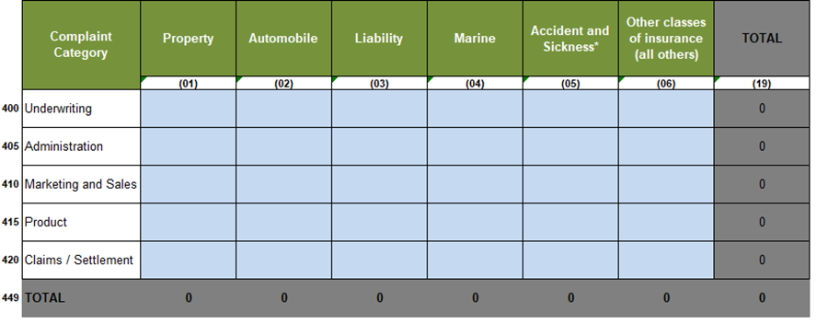

5. Do you already have this information in your system?
5.1 If you are not able to provide complaints as per the example, how long will it take your company to make these changes operational?

Reference
Dissatisfactions: Customer concerns that do not qualify as complaints per the company’s definition/policy
Operational level: The division responsible for carrying out the company's day-to-day operations. The operational level is in direct contact with the customer
First level: A front line employee escalating a complaint to their direct manager
Processing time: Complaint / dissatisfaction resolved

*Link to CCIR Guidance on Conduct of Insurance Business and Fair Treatment of Customers
https://www.ccir-ccrra.org/Documents/View/3450

